DIESEL
Immagini | Articolo | Descrizione | XS | S | M | L | XL | XXL | 3XL | Totale | Whs | Retail
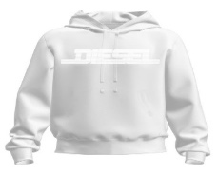 | A16979RIAJH100 | S-GINN-HOOD 12-G FELPA - BRIGHT WHITE |  | 173 | 351 | 339 | 372 | 183 |  | 1418 | 60.00 € | 150.00 €
 | A16979RIAJH8NT | S-GINN-HOOD 12-G FELPA - BLUE SAPPHIRE |  | 17 | 29 | 20 | 32 | 20 |  | 118 | 60.00 € | 150.00 €
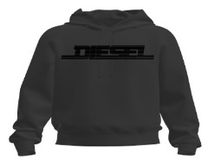 | A16979RIAJH900 | S-GINN-HOOD 12-G FELPA - CAVIAR |  | 137 | 284 | 247 | 273 | 151 |  | 1092 | 60.00 € | 150.00 €
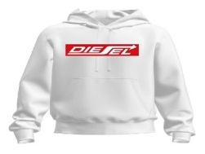 | A18981RIAJH100 | S-GINN-HOOD 250111 OFF FELPA - BRIGHT WHITE |  | 128 | 254 | 242 | 256 | 132 |  | 1012 | 60.00 € | 150.00 €
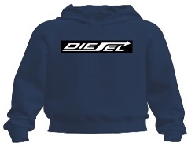 | A18981RIAJH81E | S-GINN-HOOD 250111 OFF FELPA - TOTAL ECLIPSE |  | 116 | 208 | 183 | 200 | 107 |  | 814 | 60.00 € | 150.00 €
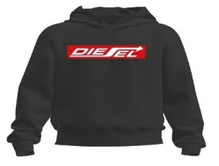 | A18981RIAJH900 | S-GINN-HOOD 250111 OFF FELPA - CAVIAR |  | 100 | 164 | 125 | 149 | 85 |  | 623 | 60.00 € | 150.00 €
 |  | Totale FELPE |  |  |  |  |  |  |  | 5077

Immagini | Articolo | Descrizione | XS | S | M | L | XL | XXL | 3XL | Totale | Whs | Retail
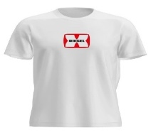 | A03848RPATI100 | T-DIEGOR-K47 MAGLIETTA - BRIGHT WHITE |  | 50 | 103 | 96 | 102 | 54 |  | 405 | 24.00 € | 60.00 €
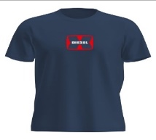 | A03848RPATI81E | T-DIEGOR-K47 MAGLIETTA - TOTAL ECLIPSE |  | 48 | 100 | 94 | 98 | 52 |  | 392 | 24.00 € | 60.00 €
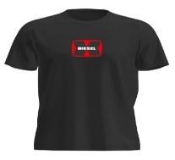 | A03848RPATI900 | T-DIEGOR-K47 MAGLIETTA - CAVIAR |  | 50 | 101 | 95 | 102 | 54 |  | 402 | 24.00 € | 60.00 €
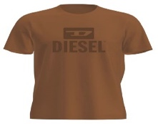 | A09753RPATI7DA | T-DIEGO TONE ON TONE MAGLIETTA - COFFEE LIQUEUR |  | 55 | 101 | 99 | 101 | 56 |  | 412 | 24.00 € | 60.00 €
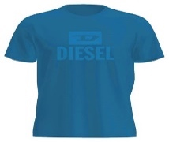 | A09753RPATI8NT | T-DIEGO TONE ON TONE MAGLIETTA - BLUE SAPPHIRE |  | 36 | 57 | 57 | 63 | 41 |  | 254 | 24.00 € | 60.00 €
 | A11184RPATI5IX | T-JUST -SMALL-NEW D LOGO MAGLIETTA - DEEP DEPTHS |  | 107 | 227 | 208 | 228 | 124 |  | 894 | 24.00 € | 60.00 €
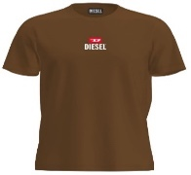 | A11184RPATI7DA | T-JUST -SMALL-NEW D LOGO MAGLIETTA - COFFEE LIQUEU |  | 85 | 170 | 166 | 188 | 85 |  | 694 | 24.00 € | 60.00 €
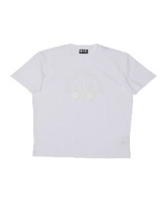 | A12248RPATI100 | T-DIEGOR-E17-OUT MAGLIETTA - BRIGHT WHITE |  | 157 | 304 | 300 | 306 | 158 |  | 1225 | 24.00 € | 60.00 €
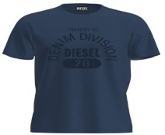 | A12248RPATI81E | T-DIEGOR-E17-OUT MAGLIETTA - TOTAL ECLIPSE |  | 119 | 222 | 220 | 244 | 130 |  | 935 | 24.00 € | 60.00 €
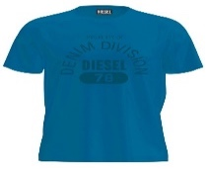 | A12248RPATI8NT | T-DIEGOR-E17-OUT MAGLIETTA - BLUE SAPPHIRE |  | 41 | 67 | 67 | 69 | 40 |  | 284 | 24.00 € | 60.00 €
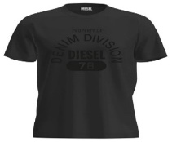 | A12248RPATI9XX | T-DIEGOR-E17-OUT MAGLIETTA - BLACK BLACK BLACK |  | 126 | 207 | 205 | 239 | 133 |  | 910 | 24.00 € | 60.00 €
 | A16861RPATI100 | T-JUST 12-5 MAGLIETTA - BRIGHT WHITE |  | 105 | 206 | 201 | 221 | 108 |  | 841 | 24.00 € | 60.00 €
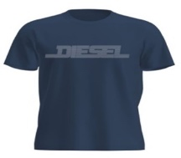 | A16861RPATI81E | T-JUST 12-5 MAGLIETTA - TOTAL ECLIPSE |  | 95 | 187 | 180 | 200 | 102 |  | 764 | 24.00 € | 60.00 €
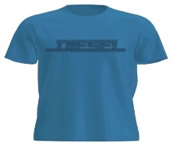 | A16861RPATI8NT | T-JUST 12-5 MAGLIETTA - BLUE SAPPHIRE |  | 68 | 133 | 133 | 135 | 66 |  | 535 | 24.00 € | 60.00 €
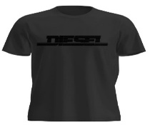 | A16861RPATI900 | T-JUST 12-5 MAGLIETTA - CAVIAR |  | 88 | 166 | 157 | 186 | 98 |  | 695 | 24.00 € | 60.00 €
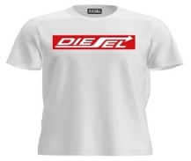 | A18996RPATI100 | T-JUST 250115 OFF MAGLIETTA - BRIGHT WHITE |  | 116 | 213 | 203 | 228 | 115 |  | 875 | 24.00 € | 60.00 €
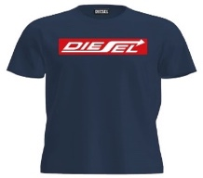 | A18996RPATI81E | T-JUST 250115 OFF MAGLIETTA - TOTAL ECLIPSE |  | 120 | 224 | 213 | 231 | 115 |  | 903 | 24.00 € | 60.00 €
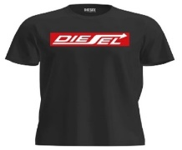 | A18996RPATI900 | T-JUST 250115 OFF MAGLIETTA - CAVIAR |  | 114 | 212 | 200 | 225 | 114 |  | 865 | 24.00 € | 60.00 €
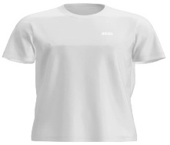 | A18997RPATI100 | T-JUST 250121 OFF MAGLIETTA - BRIGHT WHITE |  | 77 | 160 | 151 | 173 | 101 |  | 662 | 24.00 € | 60.00 €
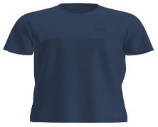 | A18997RPATI81E | T-JUST 250121 OFF MAGLIETTA - TOTAL ECLIPSE |  | 92 | 181 | 175 | 192 | 106 |  | 746 | 24.00 € | 60.00 €
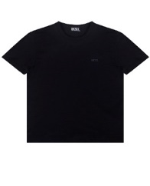 | A18997RPATI900 | T-JUST 250121 OFF MAGLIETTA - CAVIAR |  | 75 | 153 | 143 | 169 | 101 |  | 641 | 24.00 € | 60.00 €
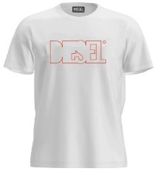 | A19698RHQBE100 | T-DIEGOR 250215 OFF MAGLIETTA - BRIGHT WHITE |  | 132 | 240 | 233 | 237 | 126 |  | 968 | 24.00 € | 60.00 €
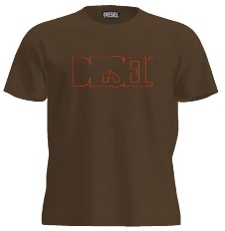 | A19698RHQBE7DA | T-DIEGOR 250215 OFF MAGLIETTA - COFFEE LIQUEUR |  | 25 | 32 | 31 | 31 | 17 |  | 136 | 24.00 € | 60.00 €
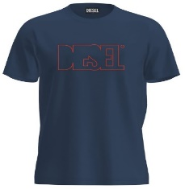 | A19698RHQBE81E | T-DIEGOR 250215 OFF MAGLIETTA - TOTAL ECLIPSE |  | 139 | 246 | 238 | 244 | 132 |  | 999 | 24.00 € | 60.00 €
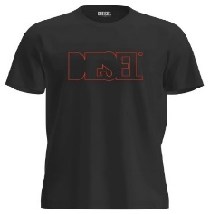 | A19698RHQBE900 | T-DIEGOR 250215 OFF MAGLIETTA - CAVIAR |  | 128 | 206 | 198 | 204 | 118 |  | 854 | 24.00 € | 60.00 €
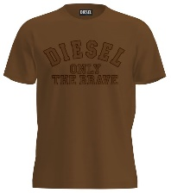 | A19699RHQBF7DA | T-JUST 250216 OFF MAGLIETTA - COFFEE LIQUEUR |  | 11 | 31 | 10 | 19 | 20 |  | 91 | 24.00 € | 60.00 €
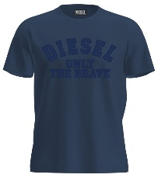 | A19699RHQBF81E | T-JUST 250216 OFF MAGLIETTA - TOTAL ECLIPSE |  | 110 | 162 | 149 | 194 | 118 |  | 733 | 24.00 € | 60.00 €
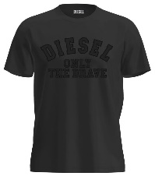 | A19699RHQBF900 | T-JUST 250216 OFF MAGLIETTA - CAVIAR |  | 89 | 122 | 96 | 93 | 109 |  | 509 | 24.00 € | 60.00 €
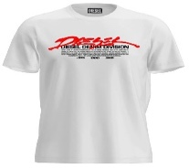 | A19700RHQBG100 | T-JUST 250217 OFF MAGLIETTA - BRIGHT WHITE |  | 67 | 149 | 144 | 151 | 79 |  | 590 | 24.00 € | 60.00 €
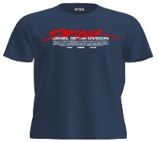 | A19700RHQBG81E | T-JUST 250217 OFF MAGLIETTA - TOTAL ECLIPSE |  | 73 | 159 | 154 | 160 | 84 |  | 630 | 24.00 € | 60.00 €
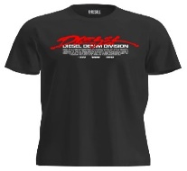 | A19700RHQBG900 | T-JUST 250217 OFF MAGLIETTA - CAVIAR |  | 61 | 132 | 126 | 136 | 76 |  | 531 | 24.00 € | 60.00 €
 | A19701RHQBH100 | T-JUST 250218 OFF MAGLIETTA - BRIGHT WHITE |  | 68 | 113 | 104 | 133 | 79 |  | 497 | 24.00 € | 60.00 €
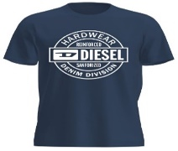 | A19701RHQBH81E | T-JUST 250218 OFF MAGLIETTA - TOTAL ECLIPSE |  | 76 | 125 | 117 | 134 | 85 |  | 537 | 24.00 € | 60.00 €
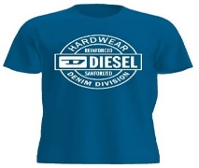 | A19701RHQBH8NT | T-JUST 250218 OFF MAGLIETTA - BLUE SAPPHIRE |  | 98 | 184 | 184 | 190 | 100 |  | 756 | 24.00 € | 60.00 €
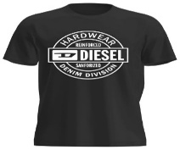 | A19701RHQBH900 | T-JUST 250218 OFF MAGLIETTA - CAVIAR |  | 61 | 83 | 73 | 93 | 72 |  | 382 | 24.00 € | 60.00 €
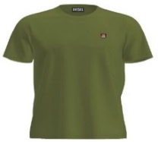 | A19713RDBEN5IX | T-JUST 250221 OFF MAGLIETTA - DEEP DEPTHS |  | 32 | 68 | 15 | 69 | 36 |  | 220 | 24.00 € | 60.00 €
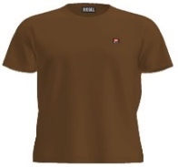 | A19713RDBEN7DA | T-JUST 250221 OFF MAGLIETTA - COFFEE LIQUEUR |  | 52 | 116 | 116 | 116 | 57 |  | 457 | 24.00 € | 60.00 €
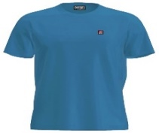 | A19713RDBEN8NT | T-JUST 250221 OFF MAGLIETTA - BLUE SAPPHIRE |  | 34 | 83 | 81 | 85 | 42 |  | 325 | 24.00 € | 60.00 €
 |  | Totale T-SHIRT |  |  |  |  |  |  |  | 23549

Immagini | Articolo | Descrizione | XS | S | M | L | XL | XXL | 3XL | Totale | Whs | Retail
 | A12487RSFACE0041 | UMBX-SHAWNTWOPACK-RG BOXERS - AH100+AH100 |  |  | 100 | 185 | 771 | 842 |  | 1898 | € 13.90 | € 35.00
 | A12487RSFACE1350 | UMBX-SHAWNTWOPACK-RG BOXERS - AH900+AH900 |  | 13 | 1175 | 1962 | 3616 | 3819 |  | 10585 | € 13.90 | € 35.00
 | A12487RSFACE7352 | UMBX-SHAWNTWOPACK-RG BOXERS - AH96X+AH96X |  | 400 | 1404 | 1862 | 2665 | 2918 |  | 9249 | € 13.90 | € 35.00
 | A12487RSFACE7353 | UMBX-SHAWNTWOPACK-RG BOXERS - AH88T+AH88T |  | 1222 | 3059 | 4378 | 5169 | 5435 |  | 19263 | € 13.90 | € 35.00
 |  | Totale BOXER |  |  |  |  |  |  |  | 40995

